WACC
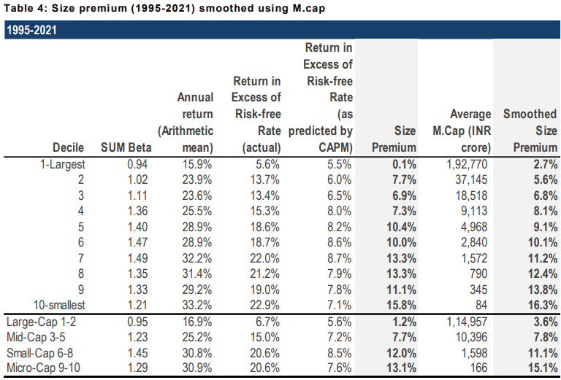
Varun Beverages Ltd.
Control Sheet

Particulars | Low | Mid | High | Risk Free Rate

Risk Free Rate | 4.64% | 4.64% | 4.64% | We have considered 4.64% as the risk free rate in estimation of cost of equity of 8.28%. The risk free rate of India is calculated by considering local currency 10 years government bond yield adjusted for default spread of India.
Equity Risk Premium | 6.50% | 6.50% | 6.50%
Equity Beta | 0.56 | 0.56 | 0.56
CAPM Cost of Equity | 8.28% | 8.28% | 8.28%
 |  |  |  | Equity Beta
Small Size Premium | 2.70% | 2.70% | 2.70% | We have obtainted Equity Beta of 0.56 from Yahoo Finance which is based on 5 Year monthly regression.
Asset Specific Premium | 0.00% | 0.00% | 0.00%
Modified Cost of Equity | 10.98% | 10.98% | 10.98%
 |  |  |  | Equity Risk Premium (ERP)
Pre Tax Cost of Debt | 7.58% | 7.58% | 7.58% | An ERP of 6.50% has been adopted based on US implied equity risk premium, relative equity volatiliy of ICE BoFA Public Sector Issues Emerging Mkts Index, S&P Emerging BMI Index and country risk premium of India.
Marginal Tax Rate | 25.00% | 25.00% | 25.00%
Post Tax Cost of Debt | 5.69% | 5.69% | 5.69% | Cost of Debt
 |  |  |  | For the purpose of assessing the cost of debt, we have used country's risk free rate, country's default spread and corporate default spread based on company's debt rating and interest coverage ratio.
Capital Gearing (D/D+E) | 42% | 42% | 42%
Weighted Average Cost of Capital | 8.74% | 8.74% | 8.74% | Small Size Premium
Weighted Average Cost of Capital (Rounded) | 9.00% | 9.00% | 9.00% | Empirically small sized assets have exceeded the returns as compared to large sized assets. We have used the study on size premium conducted by Incwert which is based on difference between actual returns and CAPM expected returns arranged in decile basis market capitalization of Indian companies.
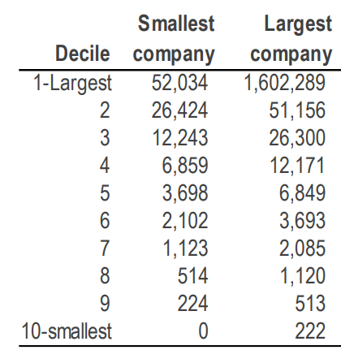
Tax rate is considered as Marginal Tax rate of India

Option value
Valuing Options or Warrants
Enter the current stock price = |  |  | 1474.00 |  |  | Tranche | Grant Date | No. of Options granted | Exercise Price | Maturity | Expected volatility | Expected Dividends
Enter the strike price on the option = |  |  | 767.57 |  |  | 1 | 6-Feb-23 | 54000 | 628 | 4.5 | 40.07% | 0.22%
Enter the expiration of the option = |  |  | 4.07 |  |  | 2 | 2-May-23 | 12000 | 643 | 4.2 | 39.95% | 0.24%
Enter the standard deviation in stock prices = |  |  | 38.71% | (volatility) |  | 3 | 3-Aug-23 | 50000 | 801 | 4 | 39.12% | 0.43%
Enter the annualized dividend yield on stock = |  |  | 0.33% |  |  | 4 | 6-Nov-23 | 26000 | 899 | 3.72 | 37.09% | 0.37%
Enter the Risk Free rate = |  |  | 4.64% |  |  | 5 | 23-Nov-23 | 30000 | 899 | 3.68 | 36.46% | 0.34%
Enter the number of options outstanding = |  |  | 0.12 | (in crores) |  |  |  | Weighted Average | 768 | 4.07 | 38.71% | 0.33%
Enter the number of shares outstanding = |  |  | 129.92 | (in crores)

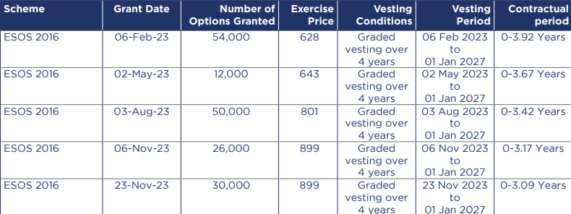
Do not input any numbers below this line
VALUING OPTIONS WHEN THERE IS DILUTION
Stock Price= |  | 1474.00 | # Warrants issued= |  | 0.12
Strike Price= |  | 767.57 | # Shares outstanding= |  | 129.92
Adjusted S = |  | 1473.43 | T.Bond rate= |  | 4.64%
Adjusted K = |  | 767.57 | Variance= |  | 0.1498
Expiration (in years) = |  | 4.07 | Annualized dividend yield= |  | 0.33%
 |  |  | Div. Adj. interest rate= |  | 4.31%

d1 = | 1.45
N (d1) = | 0.93

d2 = | 0.67
N (d2) = | 0.75

Value per option = |  | 871.69
Value of all options outstanding = |  |  | 107

Assumptions working
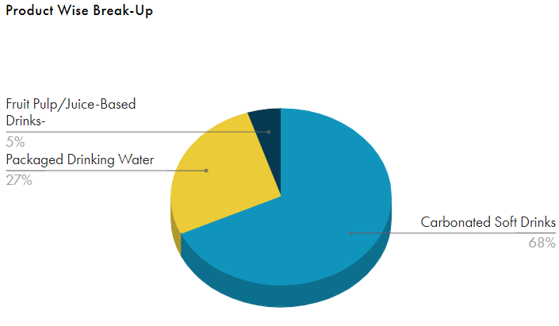
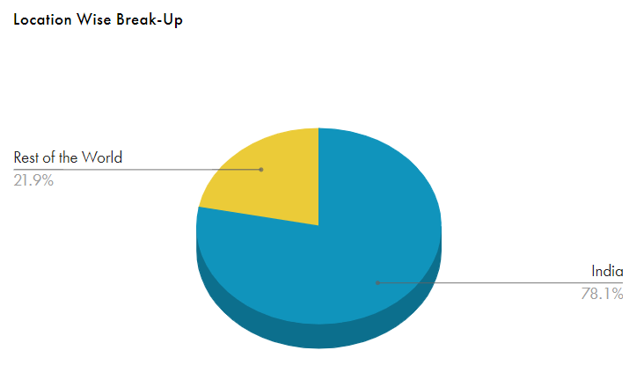
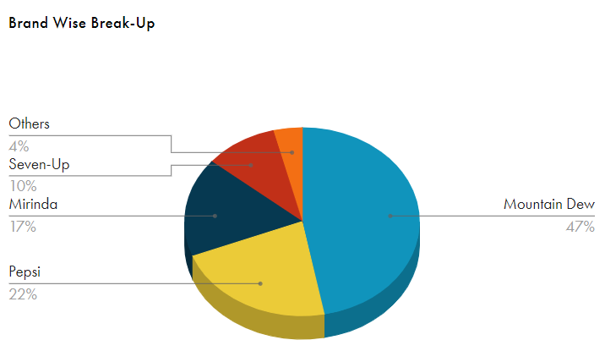
# | Revenue Growth

 | Company Historical Growth
 |  |  |  |  |  |  |  |  |  |  |  | CAGR
 | Particulars |  | 2016 | 2017 | 2018 | 2019 | 2020 | 2021 | 2022 | 2023 |  | 3 Years | 5 Years | 7 Years
 | Revenue From Operations(Net) |  | 3,861 | 4,004 | 5,105 | 7,130 | 6,450 | 8,823 | 13,173 | 16,043 |  | 35.5% | 25.7% | 22.6%
 | Sales Growth |  | 14% | 4% | 28% | 40% | -10% | 37% | 49% | 22%

 | Carbonated Soft Drink Market (India) Growth

 | Statista | https://www.statista.com/outlook/cmo/non-alcoholic-drinks/soft-drinks/carbonated-soft-drinks/india

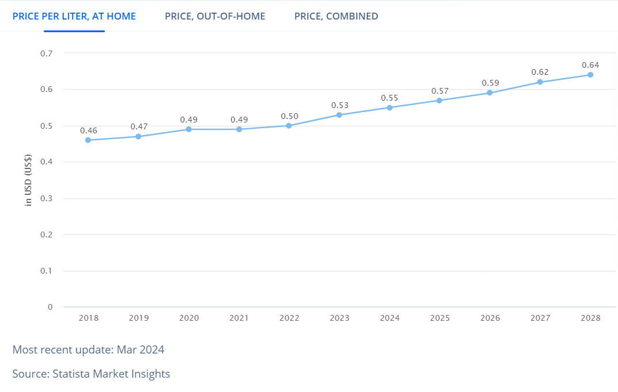
 | 2024 Revenue | US$2.3bn
 | CAGR Growth 2024-28 | 6.98%
 | Volume Growth in 2025 | 3.0%
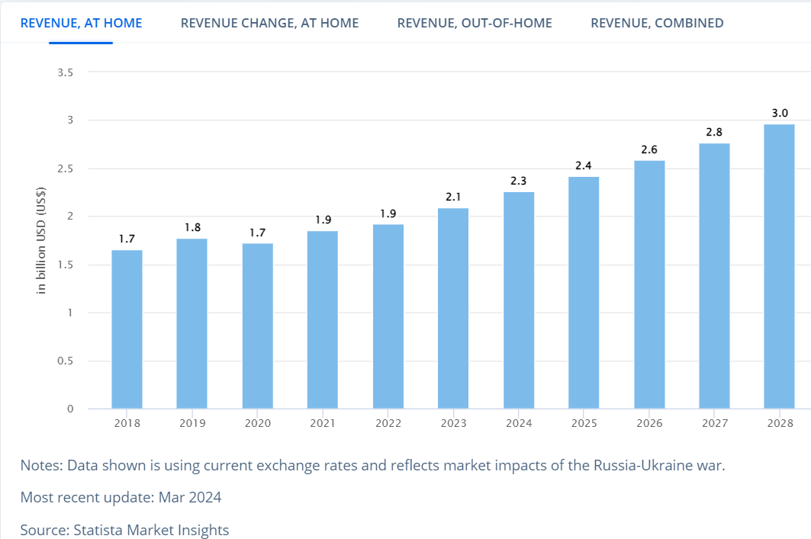
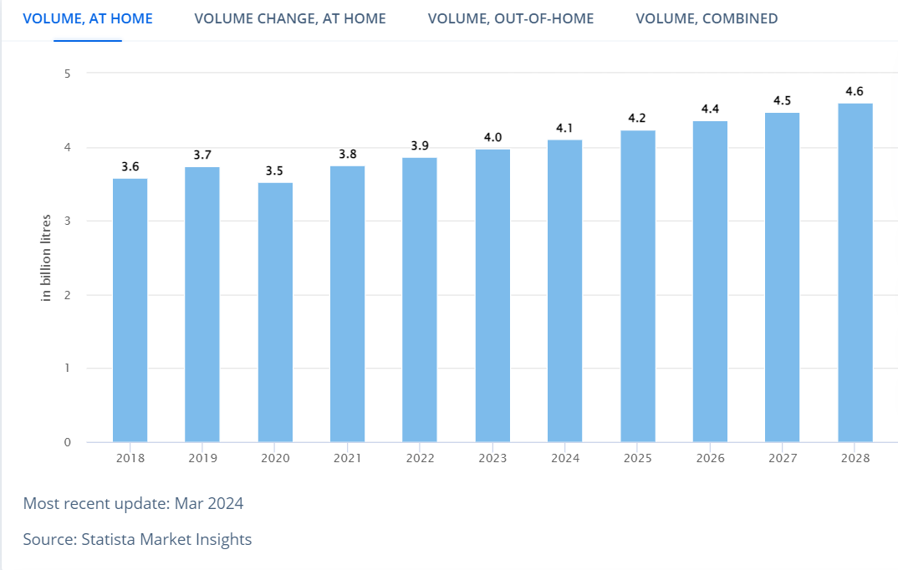

 | GlobalData | https://www.globaldata.com/store/report/india-carbonates-market-analysis/#:~:text=Carbonates%20market%20in%20India%20registered,increase%20of%2055.38%25%20over%202020.
# | Carbonates market in India registered a positive compound annual growth rate (CAGR) of 9.78% during the period 2016 to 2021
# | The market achieved its strongest performance in 2021, when it grew by 55.38% over its previous year and its weakest performance in 2020, when it fell by -16.23% over 2019.

 | Live Mint | https://www.livemint.com/news/india/nonalcoholic-beverage-market-to-hit-147trillion-11653673841898.html
# | The market achieved its strongest performance in 2021, when it grew by 55.38% over its previous year and its weakest performance in 2020, when it fell by -16.23% over 2019.
# | Between 2010 and 2019, India’s non-alcoholic beverages market grew at 14.5% in terms of total sales volume, and 13.72% in terms of total sales value
# | The sector is also heavily taxed to deter consumers from excessive consumption of sugary beverages. Most non-alcoholic beverages are taxed at a standard rate of 12-18% or at the highest rate of 28%.

 | ICRIER | https://icrier.org/pdf/ICRIER-IBA_Report_Release_May_27_2022.pdf
# | The global non-alcoholic beverage market was worth USD1180 billion in 2020 and is projected to reach USD2175 billion in 2026, with a CAGR of 7.3% (2013 to 2026)
# | Both globally and in India, CSDs is the largest segment, but per capita consumption of CSDs is lower in India compared to many countries.
# | Mineral water (packaged drinking water/ natural mineral water) has the highest growth projection in Asia, with India being one of the largest markets
# | 50% growth in sales through e-commerce between 2019 and 2020
# | A growth forecasting model with three scenarios, namely realistic, optimistic, and pessimistic from 2020 to 2030 found that if the GDP grows at 7.88%, 9.76%, and 6.0% respectively, the sector is expected
 | to grow at 8.70% in the realistic scenario, 10.77% in the optimistic scenario and 6.66% in the pessimistic scenario

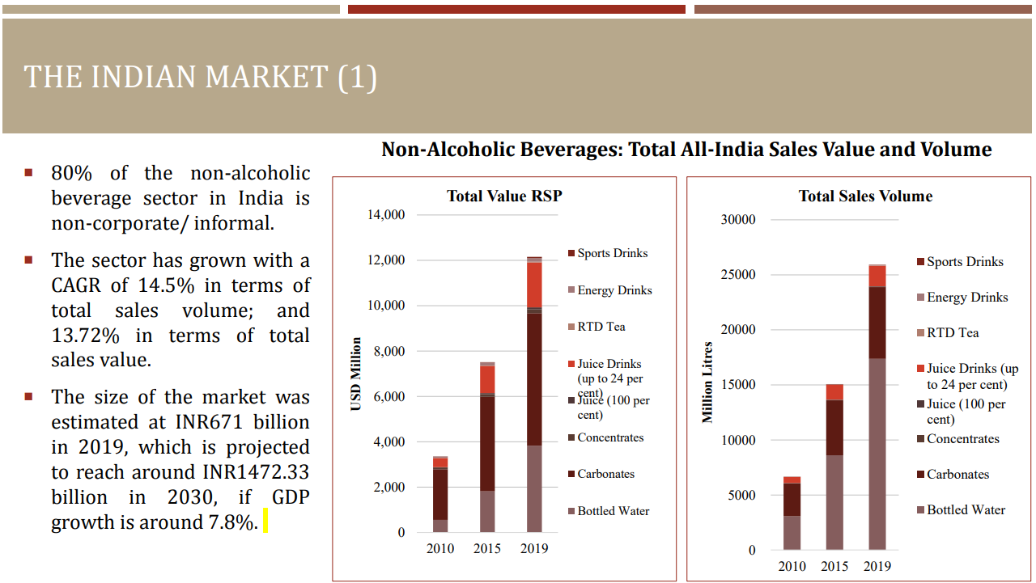
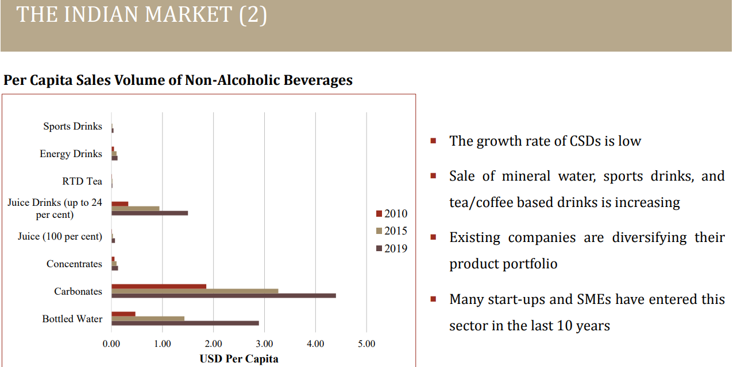
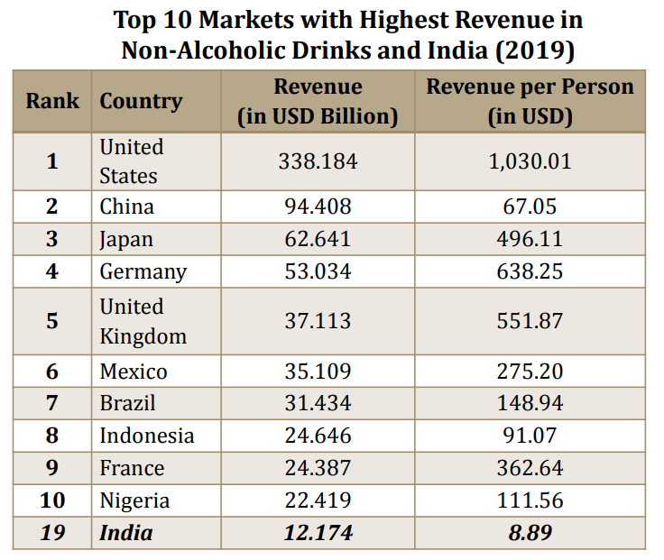

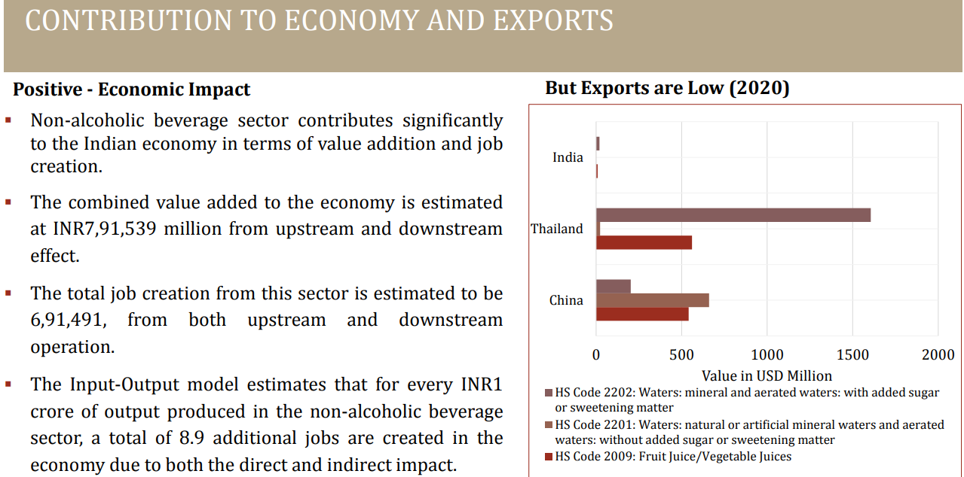
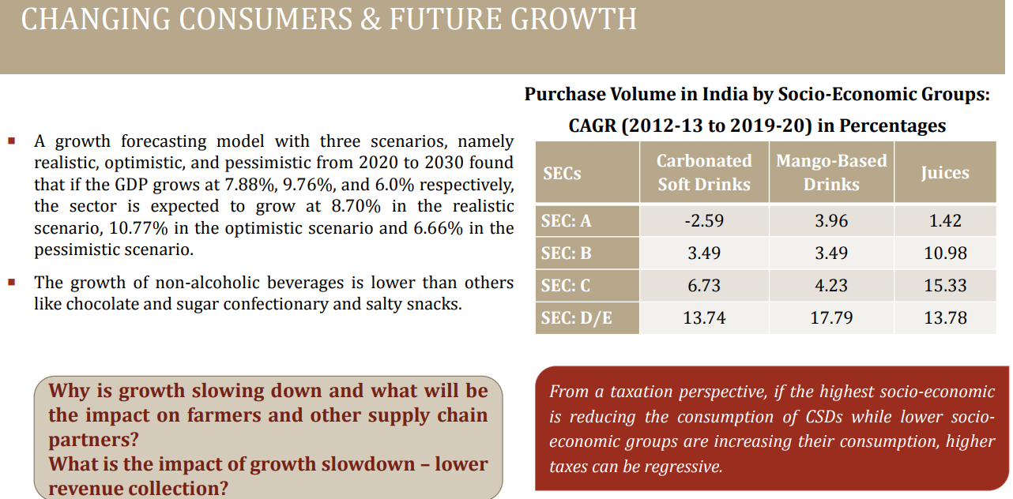
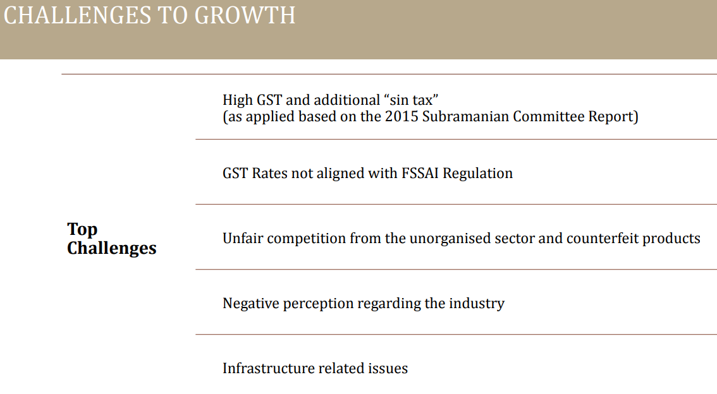
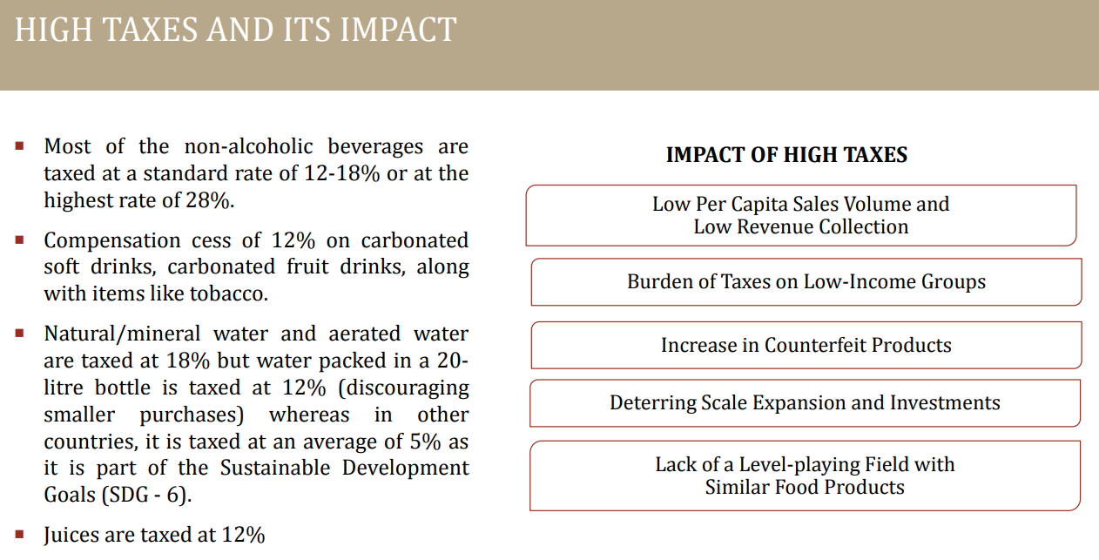

 | Economic Times | https://economictimes.indiatimes.com/industry/cons-products/food/indian-soft-drink-market-expected-to-see-significant-growth-says-pepsico-bottler-varun-beverages/articleshow/98579808.cms?from=mdr
# | The Indian soft drink market is expected to see "significant growth" as consumption is anticipated to increase steadily, which will deliver sustainable and healthy volume growth across all product categories, said Varun Beverages Ltd (VBL), PepsiCo's largest franchise bottler. This would be driven by factors such as shifting population demographics, the rising spending power of young consumers, accelerated urbanisation, and growing rural consumption.

 | Business Wire | https://www.businesswire.com/news/home/20230329005511/en/Non-alcoholic-Beverages-Market-in-India-2022-2027-Sector-Set-to-Grow-by-8.85-Annually-on-the-Back-of-Shifting-Consumer-Preferences---ResearchAndMarkets.com
# | The use of non-alcoholic beverages has increased nationwide due to consumer preferences shifting and advances in product packaging and to increase affordability
# | The non-alcoholic beverage industry in India is anticipated to expand at a compound annual growth rate (CAGR) of 8.85% during 2022-27 to reach INR 601.80 Bn by the end of FY 2027.
# | The non-alcoholic beverages market is segmented into carbonated and non-carbonated beverages. The market for carbonated beverages is projected to surge at a CAGR of 5.57% during FY 2022 to FY 2027 to reach INR 185.96 billion at the end of the forecast period.
# | The category of carbonated beverages is anticipated to lose market share during the projected period because of the non-carbonated beverages segment's quick expansion.
 | Aerated beverages that aren't cola, in particular fruit drinks, have grown in popularity recently. Leading companies are changing their business strategies in response to consumer worries about their health.
 | The market for non-carbonated beverages has expanded rapidly because of growing consumer health consciousness and easier accessibility.

 | Consensus estimate

 | Estimates for Revenue Growth YoY%
 | Name | CY24E | CY25E | CY26E
 | Keynote | 35% | 18% | 18%
 | KRChoksey | 27% | 24% | -
 | Motilal Oswal | 29% | 19% | 16%
 | Axis Securities | 25% | 23% | 22%
 | AVERAGE | 29% | 21% | 19%

 | 5 year CAGR |  | 25.7%
 | Last year's Management guidance |  | 26%
 | Consensus estimate |  | 29%
 | India Non-alcoholic beverage market |  | 8% - 10%

Summary
The company has posted revenue of INR 16,043 Crores in CY2023. The Revenue has grown at a CAGR of 35.5% and 25.7% during the last 3 and 5 years respectively. The management is extremely positive on overall growth of Indian soft drink market due to factors such as Increase in Household Income, Consumer Spending, migration of population to urban areas etc.
-The company has successfully commissioned multiple greenfield and brownfield facilities across key geographies during the year. In Q1CY24, the company commenced three new greenfield facilities in Maharashtra, Uttar Pradesh, and Khordha. Additionally, the plant in the Democratic Republic of the Congo (DRC) is set to begin operations next quarter. Also all the plants were operating at around 100% utilization as the peak season approached in April, 2024.
-Also, successful completed the strategic acquisition of The Beverage Company (BevCo). BevCo holds franchise rights and distribrution rights for PepsiCo beverage products in various parts of Southern Africa.
-Furthermore, Varun Beverages Morocco SA, a wholly-owned subsidiary, has entered into an Exclusive Snacks Appointment Agreement to manufacture and package Cheetos in Morocco, by May 2025.
The Analyst's consensus growth for CY24 is 29%, over the CY2023 revenue of INR 16,043 Crores.
Considering the challenges company might face such as unfavourable weather conditions, Health awareness, stringent marketing policies by the government, increased tax rates etc, we assume the company would maintain a double digit growth of 25% due to the expansion done to meet the rising demand for beverages, and also expansion into new territories and new products.
-----------------------------------------------------------------------------------------------------------------------------------------------------------------------------------------------------------------------------------------------------
The non-alcoholic beverages market in India was valued at INR 1,376.70 Bn in FY 2023 and is expected to reach INR 1,986.31 Bn by FY 2028, expanding at a CAGR of ~7.29% during the FY 2024 - FY 2028 forecast period.
In 2023, Indian soft drinks industry encountered a challenging yet progressive year. Following substantial growth in 2022 attributed to the resurgence of out-of home consumption, the industry confronted unseasonal rains that disrupted sales during the critical summer season. Nevertheless, the sector adeptly adjusted to evolving consumer preferences and maintained a steady growth trajectory.
Industry growth was fueled by expanding demographic profiles and burgeoning middle-class population. These demographic shifts, coupled with increase in disposable income, spurred higher demand. Urbanization played a pivotal role as well, with more individuals relocating to urban areas, leading to greater exposure to and demand for diverse soft drink options.
This resilience was particularly evident in the energy drinks segment, which, after emerging as a growth category in 2022, continued its expansion through 2023. Carbonates retained their position as the largest category in terms of volume as much as value, reflecting their enduring popularity among Indian consumers.
The Indian beverages industry presents significant growth opportunities in the future. As 80% of non alcoholic beverages sector in India is informal, it creates immense growth opportunities for organized players.

# | Gross margin

 | Company Historical Margin

 | Particulars |  | 2016 | 2017 | 2018 | 2019 | 2020 | 2021 | 2022 | 2023 |  | Median | Average
 | Gross Margin |  | 55.0% | 54.8% | 56.0% | 54.8% | 57.1% | 54.3% | 52.5% | 53.8% |  | 54.8% | 54.8%

 | Sector Data - Damodaran

 | Sector - Beverage (Soft)
 | Geography | Gross Margin
 | Just India | 53.7%
 | All Emerging Markets | 44.3%
 | Global | 49.5%

 | Street Estimates

 | Estimates for Gross Margin
 | Name | CY24E | CY25E | CY26E
 | Keynote | 54.0% | 53.7% | 53.5%
 | Motilal Oswal | 54.4% | 53.8% | 54.0%
 | Axis | 55.1% | 55.5% | 55.5%
 | KR Choksey | 55.0% | 54.9%
 | MEDIAN | 54.7% | 54.4% | 54.0%

 | Concall / Annual Report / Investor presentation

 | Annual Report CY23

 | Q1 CY24 Concall
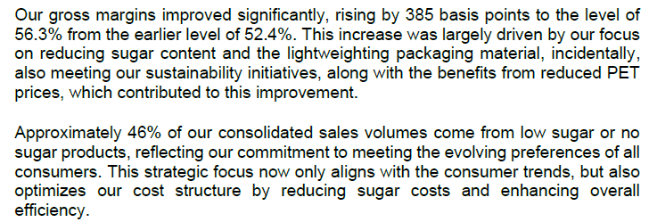

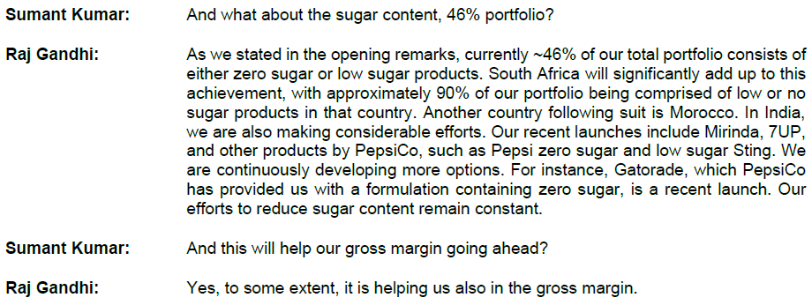

Summary
The raw materials constitutes ~90%+ of the COGS. Key raw materials for the company are PET chips and sugar.
In view of volatility of price of sugar and PET chips, the company executes various advance purchase contracts, in order to mitigate pricing risks.
Annual report CY22 - "In terms of profitability, despite the challenges posed by higher costs of raw materials, we witnessed limited impact on our gross margins. Our prudent raw material sourcing strategy, as well as selective price increases on specific products, helped us to improve our realization per unit and mitigate the impact of rising costs on our margins."
Between one of the two commodities, one keeps on going up or down, but historically the company has posted gross margin ~53-57%, with median of 54.8% in last 8 years.
In Q1 of CY2024, gross margins improved significantly, rising by 385 basis points to the level of 56.3%. This increase was largely driven by focus on reducing sugar content and the lightweighting packaging material, along with the benefits from reduced PET prices.
Currently ~46% of the total portfolio consists of either zero sugar or low sugar products, and the efforts to reduce sugar content remain constant, which will help in the gross margin going ahead.
So we can assume this year margin to be 55% which is in line with the recently increased margin (56.3%), the street estimate (54.7%) and the historical median (54.8%) and the future prospect of reducing sugar content.
Management Case - 55% in short term and 54.8% (historical median) in long term.
Base Case - 55% (historical median) in short term and converging to 49.5% (Global sector margin) in the long term.
Down Case - 53.8% (CY2023's margin) in short term and converging to 44.3% (Emerging Markets sector margin) in the long term.

# | SG&A Expenses

 | Revenue VS SG&A - Growth
 |  |  |  |  |  |  |  |  |  |  |  | CAGR
 | Particulars |  | 2016 | 2017 | 2018 | 2019 | 2020 | 2021 | 2022 | 2023 |  | 3 Years | 5 Years
 | Revenue From Operations(Net) |  | 3,861 | 4,004 | 5,105 | 7,130 | 6,450 | 8,823 | 13,173 | 16,043 |  | 35.5% | 25.7%
 | Growth YoY% |  | 14% | 4% | 28% | 40% | -10% | 37% | 49% | 22%

 | SG&A Expenses |  | 1,327 | 1,358 | 1,855 | 2,463 | 2,484 | 3,134 | 4,124 | 5,028 |  | 26.5% | 22.1%
 | Growth YoY% |  |  | 2.3% | 36.6% | 32.8% | 0.9% | 26.1% | 31.6% | 21.9%

 | Historical SG&A Analysis

 | Particulars | Dec2012 | Dec2013 | Dec2014 | Dec2015 | Dec2016 | Dec2017 | Dec2018 | Dec2019 | Dec2020 | Dec2021 | Dec2022 | Dec2023
 | Revenue | 1,800 | 2,115 | 2,502 | 3,394 | 3,861 | 4,004 | 5,105 | 7,130 | 6,450 | 8,823 | 13,173 | 16,043

 | Employee Cost | 152 | 183 | 217 | 324 | 421 | 463 | 583 | 811 | 890 | 1,008 | 1,217 | 1,447
 | Power & Fuel Cost | 84 | 101 | 114 | 131 | 156 | 160 | 195 | 279 | 267 | 330 | 479 | 550
 | General and Administration Cost | 58 | 64 | 72 | 104 | 136 | 133 | 159 | 242 | 221 | 304 | 318 | 454
 | Selling and Distribution Cost | 46 | 50 | 60 | 82 | 111 | 115 | 154 | 168 | 157 | 316 | 418 | 510
 | Misc. Cost | 10 | 8 | 11 | 27 | 41 | 48 | 129 | 124 | 63 | 79 | 142 | 216
 | Repairs and Maintenance | 49 | 56 | 67 | 95 | 113 | - | 143 | 175 | 198 | 249 | 353 | 408
 | Other manufacturing expense | 145 | 162 | 199 | 276 | 346 | 322 | 482 | 664 | 689 | 848 | 1,197 | 1,444
 | Total SG&A Expense | 544 | 624 | 740 | 1039 | 1324 | 1241 | 1845 | 2463 | 2485 | 3134 | 4124 | 5029

 | Particulars | Dec2012 | Dec2013 | Dec2014 | Dec2015 | Dec2016 | Dec2017 | Dec2018 | Dec2019 | Dec2020 | Dec2021 | Dec2022 | Dec2023 |  | Median | Average
 | Employee Cost | 28% | 29% | 29% | 31% | 32% | 37% | 32% | 33% | 36% | 32% | 30% | 29% |  | 31.4% | 31.5%
 | Power & Fuel Cost | 15% | 16% | 15% | 13% | 12% | 13% | 11% | 11% | 11% | 11% | 12% | 11% |  | 11.7% | 12.5%
 | General and Administration Cost | 11% | 10% | 10% | 10% | 10% | 11% | 9% | 10% | 9% | 10% | 8% | 9% |  | 9.8% | 9.6%
 | Selling and Distribution Cost | 8% | 8% | 8% | 8% | 8% | 9% | 8% | 7% | 6% | 10% | 10% | 10% |  | 8.4% | 8.5%
 | Misc. Cost | 2% | 1% | 1% | 3% | 3% | 4% | 7% | 5% | 3% | 3% | 3% | 4% |  | 2.8% | 3.2%
 | Repairs and Maintenance | 9% | 9% | 9% | 9% | 9% | 0% | 8% | 7% | 8% | 8% | 9% | 8% |  | 8.3% | 7.7%
 | Other manufacturing expense | 27% | 26% | 27% | 27% | 26% | 26% | 26% | 27% | 28% | 27% | 29% | 29% |  | 26.8% | 27.0%
 | Total SG&A Expense | 100% | 100% | 100% | 100% | 100% | 100% | 100% | 100% | 100% | 100% | 100% | 100%

 | Particulars | Dec2012 | Dec2013 | Dec2014 | Dec2015 | Dec2016 | Dec2017 | Dec2018 | Dec2019 | Dec2020 | Dec2021 | Dec2022 | Dec2023 |  | Median | Average
 | Revenue | 1,800 | 2,115 | 2,502 | 3,394 | 3,861 | 4,004 | 5,105 | 7,130 | 6,450 | 8,823 | 13,173 | 16,043

 | Employee Cost | 152 | 183 | 217 | 324 | 421 | 463 | 583 | 811 | 890 | 1,008 | 1,217 | 1,447 |  | 523 | 643
 | Employee Cost % Revenue | 8.4% | 8.7% | 8.7% | 9.5% | 10.9% | 11.6% | 11.4% | 11.4% | 13.8% | 11.4% | 9.2% | 9.0% |  | 10.2% | 10.3%

 | Power & Fuel Cost | 84 | 101 | 114 | 131 | 156 | 160 | 195 | 279 | 267 | 330 | 479 | 550 |  | 178 | 237
 | Power & Fuel Cost % Revenue | 4.7% | 4.8% | 4.6% | 3.9% | 4.0% | 4.0% | 3.8% | 3.9% | 4.1% | 3.7% | 3.6% | 3.4% |  | 4.0% | 4.0%

 | Selling and Distribution Cost | 46 | 50 | 60 | 82 | 111 | 115 | 154 | 168 | 157 | 316 | 418 | 510 |  | 135 | 182
 | Selling and Distribution Cost % Revenue | 2.6% | 2.4% | 2.4% | 2.4% | 2.9% | 2.9% | 3.0% | 2.4% | 2.4% | 3.6% | 3.2% | 3.2% |  | 2.7% | 2.8%

 | Other Operating Expenses | 194 | 218 | 266 | 371 | 459 | 322 | 625 | 839 | 887 | 1,097 | 1,550 | 1,852 |  | 542 | 723
 | Other Operating Expenses % Revenue | 10.8% | 10.3% | 10.6% | 10.9% | 11.9% | 8.0% | 12.2% | 11.8% | 13.7% | 12.4% | 11.8% | 11.5% |  | 11.7% | 11.3%

 | Other SG&A Expenses | 68 | 72 | 83 | 131 | 177 | 181 | 288 | 366 | 284 | 383 | 460 | 670 |  | 233 | 264
 | Other SG&A Expenses % Revenue | 3.8% | 3.4% | 3.3% | 3.9% | 4.6% | 4.5% | 5.6% | 5.1% | 4.4% | 4.3% | 3.5% | 4.2% |  | 4.3% | 4.2%

 | Total SG&A % Sales | 30.2% | 29.5% | 29.6% | 30.6% | 34.3% | 31.0% | 36.1% | 34.5% | 38.5% | 35.5% | 31.3% | 31.3% | 0.0% | 32.8% | 32.7%

 | Street Estimates

 | Estimates for EBITDA Margin
 | Name | CY24E | CY25E | CY26E
 | Keynote | 23.0% | 23.0% | 23.0%
 | Motilal Oswal | 23.0% | 22.5% | 23.0%
 | Axis | 25.4% | 25.8% | 25.9%
 | KR Choksey | 22.5% | 23.0% | 23.3%
 | Sharekhan | 22.5% | 23.1% | 23.4%
 | MEDIAN | 23.0% | 23.0% | 23.3%

Summary
Basis our research, we have identified that historically, SG&A Expenses is 32.6% of revenue. If we subtract it from the assumed gross margin (55%), we get EBITDA margin of 22.4%, which is inline with the street estimate(23%) and the management guidance(21-22%).
Hence we will assume total SG&A Expenses to remain at the level of 32.6% of revenue.

# | Current Assets
 |  |  |  |  |  |  |  |  |  |  |  |  |  |  | CAGR
 | Current Assets | Dec2012 | Dec2013 | Dec2014 | Dec2015 | Dec2016 | Dec2017 | Dec2018 | Dec2019 | Dec2020 | Dec2021 | Dec2022 | Dec2023 |  | 3 Years | 5 Years | 7 Years
 | Inventories | 231 | 246 | 289 | 425 | 490 | 439 | 578 | 882 | 929 | 1448 | 1994 | 2151 |  | 32.3% | 30.1% | 23.5%
 | Trade Receivables | 91 | 65 | 97 | 98 | 131 | 150 | 128 | 173 | 242 | 221 | 299 | 359 |  | 14.0% | 22.9% | 15.5%
 | Short-term Loans and Other Financial assets | 24 | 16 | 41 | 41 | 24 | 101 | 149 | 234 | 193 | 251 | 402 | 739 |  | 56.4% | 37.8% | 63.2%
 | Other Current Asset | 201 | 165 | 95 | 109 | 141 | 146 | 192 | 213 | 246 | 289 | 424 | 526 |  | 28.8% | 22.3% | 20.7%
 | Cash and Cash Equivalents | 38 | 51 | 34 | 58 | 66 | 94 | 93 | 171 | 190 | 337 | 285 | 460 |  | 34.3% | 37.7% | 32.0%
 | Total Current Assets | 585 | 543 | 556 | 731 | 852 | 930 | 1140 | 1673 | 1800 | 2546 | 3404 | 4235

 | Total Assets | 2,553 | 2,986 | 3,292 | 4,431 | 4,824 | 5,276 | 5,998 | 8,376 | 8,447 | 9,579 | 11,618 | 15,187 |  | 21.6% | 20.4% | 17.8%

 | Current Assets % Total Assets | 22.9% | 18.2% | 16.9% | 16.5% | 17.7% | 17.6% | 19.0% | 20.0% | 21.3% | 26.6% | 29.3% | 27.9%

 | Current Assets | Dec2012 | Dec2013 | Dec2014 | Dec2015 | Dec2016 | Dec2017 | Dec2018 | Dec2019 | Dec2020 | Dec2021 | Dec2022 | Dec2023
 | Inventories | 39% | 45% | 52% | 58% | 58% | 47% | 51% | 53% | 52% | 57% | 59% | 51%
 | Trade Receivables | 16% | 12% | 17% | 13% | 15% | 16% | 11% | 10% | 13% | 9% | 9% | 8%
 | Short-term Loans and Other Financial assets | 4% | 3% | 7% | 6% | 3% | 11% | 13% | 14% | 11% | 10% | 12% | 17%
 | Other Current Asset | 34% | 30% | 17% | 15% | 17% | 16% | 17% | 13% | 14% | 11% | 12% | 12%
 | Cash and Cash Equivalents | 6% | 9% | 6% | 8% | 8% | 10% | 8% | 10% | 11% | 13% | 8% | 11%
 | Total Current Assets | 100% | 100% | 100% | 100% | 100% | 100% | 100% | 100% | 100% | 100% | 100% | 100%

# | Inventory

 | Particulars | Dec2012 | Dec2013 | Dec2014 | Dec2015 | Dec2016 | Dec2017 | Dec2018 | Dec2019 | Dec2020 | Dec2021 | Dec2022 | Dec2023 |  | Median | Average
 | Revenue | 1,800 | 2,115 | 2,502 | 3,394 | 3,861 | 4,004 | 5,105 | 7,130 | 6,450 | 8,823 | 13,173 | 16,043
 | Revenue Growth YoY% |  | 17.5% | 18.3% | 35.7% | 13.8% | 3.7% | 27.5% | 39.7% | -9.5% | 36.8% | 49.3% | 21.8% |  | 21.8% | 23.1%

 | Inventories | 231 | 246 | 289 | 425 | 490 | 439 | 578 | 882 | 929 | 1448 | 1994 | 2151
 | Inventory Growth YoY% |  | 6.5% | 17.5% | 47.1% | 15.3% | -10.4% | 31.7% | 52.6% | 5.3% | 55.9% | 37.7% | 7.9% |  | 17.5% | 24.3%

 | Average Inventory |  | 239 | 268 | 357 | 458 | 465 | 509 | 730 | 906 | 1189 | 1721 | 2073

 | Average Inventory % Revenue |  | 11.3% | 10.7% | 10.5% | 11.8% | 11.6% | 10.0% | 10.2% | 14.0% | 13.5% | 13.1% | 12.9% |  | 11.6% | 11.8%

 | COGS | 1028 | 1199 | 1376 | 1716 | 1738 | 1810 | 2244 | 3219 | 2764 | 4035 | 6261 | 7405

 | Inventory Turnover Ratio (COGS) |  | 5.03x | 5.14x | 4.81x | 3.80x | 3.90x | 4.41x | 4.41x | 3.05x | 3.40x | 3.64x | 3.57x |  | 3.90x | 4.10x
 | Inventory Turnover Ratio (Revenue) |  | 8.87x | 9.35x | 9.51x | 8.44x | 8.62x | 10.04x | 9.77x | 7.12x | 7.42x | 7.65x | 7.74x |  | 8.62x | 8.59x | 7.94x

 | Inventory Days (COGS) |  | 73 | 71 | 76 | 96 | 94 | 83 | 83 | 120 | 108 | 100 | 102 |  | 94 | 91
 | Inventory Days (Revenue) |  | 41 | 39 | 38 | 43 | 42 | 36 | 37 | 51 | 49 | 48 | 47 |  | 42 | 43 | 47
 | 365

 | Peer inventory Days Analysis

 | No comparable peer data available

 | Street Estimates

 | Estimates for Inventory Days
 | Name | CY23 | CY24E | CY25E | CY26E
 | Keynote (COGS) | 102 | 94 | 101 | 101
 | Motilal Oswal (Revenue) | 49 | 49 | 49 | 49
 | Axis (Revenue) | 50.2 | 50.2 | 50.2 | 50.2

 | Concall / Annual Report / Investor presentation

 | Q1 CY23 Concall

 | Q4 CY23 Concall

Summary
The company usually increase inventory levels during Oct - Dec quarter and Jan - March quarter to prepare for season demand. Also, during this period PET prices are cheapest throughout the year, the company gets an edge in gross profitability by prestocking the raw material when prices are low.
Historically, the company is maintaining inventory levels at ~ 10-14% of Revenues. Inventory turnover ratio is being consistent between 7.5x-10x and inventory days of 36-50.
Further, street estimates suggest the inventory levels to remain flat from existing Inventory days.
We Assume our inventory levels to go up by 5 days from 47 days to 52 days in year 2024 and 2025 due to increased freight costs and delay in shipments. Also the company is having to overstock for safety reasons which will cause additional inventory cost. Moreover due to new products launched by the company in energy drink, value based diary, sports drink and juices, the inventory levels may increase. Post that inventory levels are expected to normalize at 47 days

# | Debtors

 | Particulars | Dec2012 | Dec2013 | Dec2014 | Dec2015 | Dec2016 | Dec2017 | Dec2018 | Dec2019 | Dec2020 | Dec2021 | Dec2022 | Dec2023 |  | Median | Average
 | Revenue | 1,800 | 2,115 | 2,502 | 3,394 | 3,861 | 4,004 | 5,105 | 7,130 | 6,450 | 8,823 | 13,173 | 16,043
 | Revenue Growth YoY% |  | 17.5% | 18.3% | 35.7% | 13.8% | 3.7% | 27.5% | 39.7% | -9.5% | 36.8% | 49.3% | 21.8% |  | 21.8% | 23.1%

 | Trade Receivable | 91 | 65 | 97 | 98 | 131 | 150 | 128 | 173 | 242 | 221 | 299 | 359
 | Trade Receivable Growth YoY% |  | -28.6% | 49.2% | 1.0% | 33.7% | 14.5% | -14.7% | 35.2% | 39.9% | -8.7% | 35.3% | 20.1% |  | 20.1% | 16.1%

 | Average Trade Receivable |  | 78 | 81 | 98 | 115 | 141 | 139 | 151 | 208 | 232 | 260 | 329

 | Average Trade Receivable % Revenue |  | 3.7% | 3.2% | 2.9% | 3.0% | 3.5% | 2.7% | 2.1% | 3.2% | 2.6% | 2.0% | 2.1% |  | 2.9% | 2.8%

 | Receivable Turnover Ratio (Revenue) |  | 27.12x | 30.89x | 34.81x | 33.72x | 28.50x | 36.73x | 47.38x | 31.08x | 38.11x | 50.67x | 48.76x |  | 34.81x | 37.07x

 | Receivable Days (Revenue) |  | 13 | 12 | 10 | 11 | 13 | 10 | 8 | 12 | 10 | 7 | 7 |  | 10 | 10
 | 365

 | Peer Receivable Days Analysis

 | No comparable peer data available

 | Street Estimates

 | Estimates for Receivable Days
 | Name | CY23 | CY24E | CY25E | CY26E
 | Keynote | 7 | 9 | 10 | 10
 | Motilal Oswal | 8 | 8 | 8 | 8
 | Axis | 8 | 10 | 10 | 10

Summary
The company usually has increased receivable levels during April - June quarter due to seasonality. The company has robust collection mechanism due to which receivable levels were normalized by the end of year. Company is not exposed to any significant credit risk from a single counterparty. The company has policy to deal with creditworthy counterparties whose security deposit is kept with the company at the time of onboarding. The receivables are spread across large number of customer at various scale and geographies. We don't foresee any significant credit impairment by the company in near future.
Historically, the company is maintaining receivable levels at ~ 2.9% of the revenues, with median recievable turnover ratio of ~35.0x . Further, street estimates suggest the receivable levels to increase from current level and then remain flat between 8-10 days.
We Assume our receivable levels to be flat at 9 days.

# | Other Current Assets

 | Particulars |  | Dec2016 | Dec2017 | Dec2018 | Dec2019 | Dec2020 | Dec2021 | Dec2022 | Dec2023 |  | Median | Average
 | Revenue |  | 3,861 | 4,004 | 5,105 | 7,130 | 6,450 | 8,823 | 13,173 | 16,043

 | Other Current Assets |  | 165.6 | 285.03 | 340.84 | 446.74 | 439.03 | 540.16 | 825.54 | 1265.85

 | Other Current Assets % Revenue |  | 4.3% | 7.1% | 6.7% | 6.3% | 6.8% | 6.1% | 6.3% | 7.9% |  | 6.5% | 6.4%

 | We assume Other Current Assets to remain flat at 6.5% of Revenue.

# | Non Current Assets

# | Fixed Assets

 | Particulars | Dec2012 | Dec2013 | Dec2014 | Dec2015 | Dec2016 | Dec2017 | Dec2018 | Dec2019 | Dec2020 | Dec2021 | Dec2022 | Dec2023 |  | Median | Average
 | Gross Block | 2,240 | 3,064 | 3,223 | 4,632 | 5,159 | 5,635 | 6,172 | 8,745 | 9,033 | 9,410 | 10,441 | 12,445
 | Less: Accumulated Depreciation & Amort. | 527 | 689 | 868 | 1,137 | 1,443 | 1,654 | 1,785 | 2,265 | 2,624 | 3,099 | 3,509 | 4,036
 | Net Fixed Assets | 1,713 | 2,375 | 2,355 | 3,495 | 3,716 | 3,981 | 4,387 | 6,480 | 6,409 | 6,311 | 6,932 | 8,409

 | Total Assets | 2,553 | 2,986 | 3,292 | 4,431 | 4,824 | 5,276 | 5,998 | 8,376 | 8,447 | 9,579 | 11,618 | 15,187

 | Net Fixed Assets % Total Assets | 67.1% | 79.5% | 71.5% | 78.9% | 77.0% | 75.5% | 73.1% | 77.4% | 75.9% | 65.9% | 59.7% | 55.4% |  | 74.3% | 71.4%

 | Total Revenue | 1,800 | 2,115 | 2,502 | 3,394 | 3,861 | 4,004 | 5,105 | 7,130 | 6,450 | 8,823 | 13,173 | 16,043

 | Net Fixed Assets % Revenue | 95.2% | 112.3% | 94.1% | 103.0% | 96.2% | 99.4% | 85.9% | 90.9% | 99.4% | 71.5% | 52.6% | 52.4% |  | 94.6% | 87.7%

 | Growth in Gross Block YoY% |  | 36.8% | 5.2% | 43.7% | 11.4% | 9.2% | 9.5% | 41.7% | 3.3% | 4.2% | 11.0% | 19.2%

 | Change in Gross Block |  | 824 | 159 | 1,409 | 527 | 476 | 537 | 2,573 | 288 | 377 | 1,031 | 2,004
 | Change in Revenue |  | 315 | 387 | 892 | 467 | 143 | 1,101 | 2,025 | (680) | 2,373 | 4,350 | 2,870

 | Change in Revenue / Change in Gross Block |  | 0.4x | 2.4x | 0.6x | 0.9x | 0.3x | 2.1x | 0.8x | -2.4x | 6.3x | 4.2x | 1.4x |  | 1x | 2x
 | Asset Turnover Ratio | 70.5% | 70.8% | 76.0% | 76.6% | 80.0% | 75.9% | 85.1% | 85.1% | 76.4% | 92.1% | 113.4% | 105.6% |  | 80.0% | 85.2%

 | Breakup of Gross Fixed Assets | Dec2012 | Dec2013 | Dec2014 | Dec2015 | Dec2016 | Dec2017 | Dec2018 | Dec2019 | Dec2020 | Dec2021 | Dec2022 | Dec2023
 | Land | 389 | 450 | 449 | 586 | 683 | 692 | 783 | 1,209 | 1,250 | 1,296 | 1,679 | 1,832
 | Building | 271 | 363 | 383 | 478 | 545 | 636 | 818 | 1,308 | 1,392 | 1,474 | 1,587 | 1,958
 | Plant Machinery | 829 | 1,168 | 1,212 | 1,661 | 1,835 | 2,075 | 2,248 | 3,565 | 3,831 | 3,967 | 4,401 | 5,499
 | Equipments | 8 | 9 | 10 | 832 | 916 | 936 | 1,021 | 1,194 | 1,212 | 1,242 | 1,238 | 1,293
 | Computers | 9 | 10 | 11 | 15 | 18 | 20 | 17 | 23 | 25 | 28 | 33 | 41
 | Furniture n fittings | 10 | 11 | 10 | 14 | 16 | 17 | 20 | 25 | 26 | 29 | 29 | 41
 | Vehicles | 97 | 119 | 121 | 132 | 169 | 173 | 652 | 742 | 622 | 690 | 795 | 1,086
 | Intangible Assets | 10 | 10 | 10 | 435 | 414 | 497 | 584 | 644 | 644 | 644 | 644 | 644 |  | 93% of Intangible Assets is Franchise rights - have an indefinite life - Expected to remain flat
 | Other fixed assets | 607 | 891 | 3,174 | 479 | 563 | 588 | 30 | 35 | 32 | 38 | 35 | 51
 | Total Fixed Assets | 2,230 | 3,031 | 5,380 | 4,632 | 5,159 | 5,634 | 6,173 | 8,745 | 9,034 | 9,408 | 10,441 | 12,445

 | Breakup of Gross Fixed Assets - Common Size | Dec2012 | Dec2013 | Dec2014 | Dec2015 | Dec2016 | Dec2017 | Dec2018 | Dec2019 | Dec2020 | Dec2021 | Dec2022 | Dec2023
 | Land | 17.4% | 14.8% | 8.3% | 12.7% | 13.2% | 12.3% | 12.7% | 13.8% | 13.8% | 13.8% | 16.1% | 14.7% |  | Exclude Land from Gross Block- being non-depreciable and approx 15% of Total Gross Asset
 | Building | 12.2% | 12.0% | 7.1% | 10.3% | 10.6% | 11.3% | 13.3% | 15.0% | 15.4% | 15.7% | 15.2% | 15.7%
 | Plant Machinery | 37.2% | 38.5% | 22.5% | 35.9% | 35.6% | 36.8% | 36.4% | 40.8% | 42.4% | 42.2% | 42.2% | 44.2%
 | Equipments | 0.4% | 0.3% | 0.2% | 18.0% | 17.8% | 16.6% | 16.5% | 13.7% | 13.4% | 13.2% | 11.9% | 10.4%
 | Computers | 0.4% | 0.3% | 0.2% | 0.3% | 0.3% | 0.4% | 0.3% | 0.3% | 0.3% | 0.3% | 0.3% | 0.3%
 | Furniture n fittings | 0.4% | 0.4% | 0.2% | 0.3% | 0.3% | 0.3% | 0.3% | 0.3% | 0.3% | 0.3% | 0.3% | 0.3%
 | Vehicles | 4.3% | 3.9% | 2.2% | 2.8% | 3.3% | 3.1% | 10.6% | 8.5% | 6.9% | 7.3% | 7.6% | 8.7%
 | Intangible Assets | 0.4% | 0.3% | 0.2% | 9.4% | 8.0% | 8.8% | 9.5% | 7.4% | 7.1% | 6.8% | 6.2% | 5.2%
 | Other fixed assets | 27.2% | 29.4% | 59.0% | 10.3% | 10.9% | 10.4% | 0.5% | 0.4% | 0.4% | 0.4% | 0.3% | 0.4%
 | Total Fixed Assets | 100% | 100% | 100% | 100% | 100% | 100% | 100% | 100% | 100% | 100% | 100% | 100%

 | Particulars | Dec2012 | Dec2013 | Dec2014 | Dec2015 | Dec2016 | Dec2017 | Dec2018 | Dec2019 | Dec2020 | Dec2021 | Dec2022 | Dec2023

 | Change in Gross Block |  | 824 | 159 | 1,409 | 527 | 476 | 537 | 2,573 | 288 | 377 | 1,031 | 2,004
 | Depreciation & Amortization | 136 | 184 | 210 | 317 | 322 | 347 | 385 | 489 | 529 | 531 | 617 | 681

 | Maintenance Capex |  | 184 | 210 | 317 | 322 | 347 | 385 | 489 | 529 | 531 | 617 | 681
 | Growth Capex |  | 640 | - | 1,092 | 205 | 129 | 152 | 2,084 | - | - | 414 | 1,323

 | Concall / Annual Report / Investor presentation

 | Q1 CY24 Concall
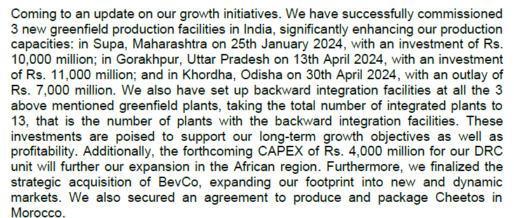
 |  |  |  |  |  |  |  | cy23 q1

 |  |  |  |  |  |  |  | cy23 q2
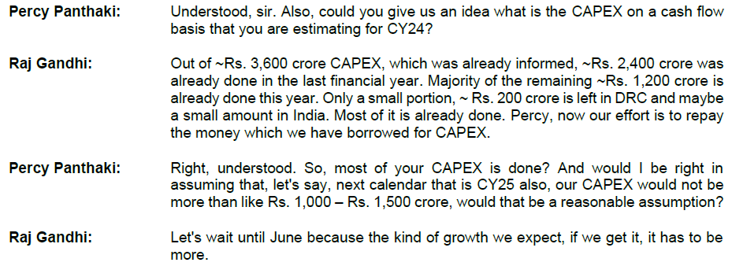

 | Particulars | Dec2016 | Dec2017 | Dec2018 | Dec2019 | Dec2020 | Dec2021 | Dec2022 | Dec2023
 | Property, Plant and Equipment | 3,356 | 3,541 | 3,860 | 5,893 | 5,827 | 5,155 | 5,442 | 6,803
 | Right-of-Use Assets | 0 | 0 | 0 | 0 | 0 | 573 | 916 | 1,035 |  | 359.65 | 437.42 | 524.86 | 562.31 | 557.2 | 558.57 | 550.91 | 547.1
 | Intangible Assets (excluding Goodwill) | 360 | 435 | 523 | 538 | 533 | 534 | 527 | 523
 | Total | 3,716 | 3,977 | 4,383 | 6,431 | 6,360 | 6,262 | 6,884 | 8,361

 | Goodwill | 0 | 1.94 | 1.94 | 24.23 | 24.23 | 24.23 | 24.23 | 24.23

 | Particulars | CY24E | CY25E | CY26E | CY27E | CY28E | CY29E | CY30E | CY31E | CY32E | CY33E
 | Capex | 3,600 | 1,500
 | Change in Revenue/Change in Capex Ratio |  |  | 1.8x | 1.8x | 1.8x | 1.8x | 1.8x | 1.8x | 1.8x | 1.8x

Summary
This year VBL commissioned 3 new greenfield production facilities in India and have also set up backward integration facilities at all these plants, taking the total number of integrated plants to 13. Additionally, the forthcoming CAPEX of Rs. 400 crores for DRC unit will further fuel expansion in the African region. Out of ~Rs. 3,600 crore capex, informed for this year, only a small portion, ~ Rs. 200 crore is left. These investments are poised to support our long-term growth objectives as well as profitability.
All plants were operating at around 100% utilization as the peak season approached in April.
Capex for CY25 will be more than 1500 crore, if the company gets the kind of growth as expected. The asset turnover is expected to be 1.8-2x.
-----------------------------------------------------------------------------------------------------------------------------------------------------------------------------------------------------------------------------------------------------
Historically, Company has done major growth capex of *1000 crores and ~2000 crores in 2015 and 2019 respectively. For the year 2023, the comapny has comitted the capex cash outflow of ~1900 Crores and Asset turn of 2x. The majority capex is greenfield to expand the capacity of CSD, Value added dairy beverages, and Sport drinks. Further, the company has also done the brownfield cape of ~300 crores for international business and ~100 crores to purchase the land for future capex. The company is agressive about future capex as the new products viz Dairy and Juices has growth potential and uncaptured geographies.
We consider the company to conduct capex of INR 1900 in Year 2023, 1400 crores in Year 2024 and 2025 which will fuel companies future growth. For the. remaining future years we assume growth of 10% in gross block.
During the terminal year, capex is benchmarked with Depreciation (100% maintanance) for moderate growth.

# | Other Non Current Assets

 | Particulars | Dec2016 | Dec2017 | Dec2018 | Dec2019 | Dec2020 | Dec2021 | Dec2022 | Dec2023
 | Revenue | 3,861 | 4,004 | 5,105 | 7,130 | 6,450 | 8,823 | 13,173 | 16,043
 | Other Non-current Assets | 137 | 153 | 86 | 115 | 130 | 184 | 627 | 537

 | Other Non-current Assets % Revenue | 3.5% | 3.8% | 1.7% | 1.6% | 2.0% | 2.1% | 4.8% | 3.3%

# | CWIP

 | Particulars | Dec2012 | Dec2013 | Dec2014 | Dec2015 | Dec2016 | Dec2017 | Dec2018 | Dec2019 | Dec2020 | Dec2021 | Dec2022 | Dec2023
 | Net Fixed Assets | 1713 | 2375 | 2355 | 3496 | 3715 | 3981 | 4387 | 6479 | 6409 | 6311 | 6932 | 8409
 | CWIP | 189 | 27 | 25 | 38 | 96 | 145 | 352 | 64 | 67 | 497 | 607 | 1922
 | CWIP % Net Fixed Assets | 11% | 1% | 1% | 1% | 3% | 4% | 8% | 1% | 1% | 8% | 9% | 23%

 | CWIP % Net Fixed Assets - Moderate Capex = | 1%
 | CWIP % Net Fixed Assets - Aggresive Capex = | 8%

 | Concall / Annual Report / Investor presentation

 | No concrete guidance available

# | Depreciation

 | Particulars | Dec2016 | Dec2017 | Dec2018 | Dec2019 | Dec2020 | Dec2021 | Dec2022 | Dec2023
 | Gross Fixed Assets
 | PP&E | 3355.85 | 3541.17 | 3860.18 | 5892.5 | 5827.19 | 5155.17 | 5441.578 | 6803.132
 | Right of Use Assets | 0 | 0 | 0 | 0 | 0 | 572.799 | 915.501 | 1034.707
 | Depreciable Gross Block | 3,356 | 3,541 | 3,860 | 5,893 | 5,827 | 5,728 | 6,357 | 7,838
 | Less: Accumulated Depreciation & Amort. | 1,443 | 1,654 | 1,785 | 2,265 | 2,624 | 3,099 | 3,509 | 4,036
 | Net Depreciable Fixed Assets | 1,913 | 1,887 | 2,075 | 3,628 | 3,203 | 2,629 | 2,848 | 3,802

 | Depreciation for the year | 322 | 347 | 385 | 489 | 529 | 531 | 617 | 681
 |  |  |  |  |  |  |  |  |  |  | Median | Average
 | Average Life of Assets | 10 | 10 | 10 | 12 | 11 | 11 | 10 | 12 |  | 11 | 11
 | Average Age of Assets | 4 | 5 | 5 | 5 | 5 | 6 | 6 | 6 |  | 5 | 5

 | Depreciation % Net Fixed Assets | 17% | 18% | 19% | 13% | 17% | 20% | 22% | 18% |  | 18% | 18%

 | Depreciation % Revenue | 8% | 9% | 8% | 7% | 8% | 6% | 5% | 4% |  | 7% | 7%

# | Liabilities

# | Trade Payables

 | Particulars | Dec2012 | Dec2013 | Dec2014 | Dec2015 | Dec2016 | Dec2017 | Dec2018 | Dec2019 | Dec2020 | Dec2021 | Dec2022 | Dec2023
 | Trade Payables | 91 | 139 | 181 | 185 | 275 | 191 | 317 | 478 | 511 | 712 | 824 | 758
 | Growth YoY% |  | 53% | 30% | 2% | 49% | -31% | 66% | 51% | 7% | 39% | 16% | -8%

 | COGS | 1,028 | 1,199 | 1,376 | 1,716 | 1,738 | 1,810 | 2,244 | 3,219 | 2,764 | 4,035 | 6,261 | 7,405

 | Trade Payables % COGS | 8.9% | 11.6% | 13.2% | 10.8% | 15.8% | 10.6% | 14.1% | 14.8% | 18.5% | 17.6% | 13.2% | 10.2% |  | 13% | 13%

 | Trade Payable Days | 32 | 42 | 48 | 39 | 58 | 39 | 52 | 54 | 67 | 64 | 48 | 37 |  | 48 | 48
 | 365

 | Revenue | 1,800 | 2,115 | 2,502 | 3,394 | 3,861 | 4,004 | 5,105 | 7,130 | 6,450 | 8,823 | 13,173 | 16,043

 | Trade Payable % Revenue | 5.1% | 6.6% | 7.2% | 5.5% | 7.1% | 4.8% | 6.2% | 6.7% | 7.9% | 8.1% | 6.3% | 4.7% |  | 6% | 6%
 | Trade Receivable % Revenue | 5.1% | 3.1% | 3.9% | 2.9% | 3.4% | 3.7% | 2.5% | 2.4% | 3.8% | 2.5% | 2.3% | 2.2% |  | 3% | 3%

 | Peer Receivable Days Analysis

 | No comparable peer data available

 | Street Estimates

 | Estimates for Payable Days
 | Name | CY23 | CY24E
 | Keynote (COGS) | 38 | 37
 | Motilal Oswal (Revenue) | 17 | 19
 | Axis (Revenue) | 22 | 23

 | Concall / Annual Report / Investor presentation

 | No concrete guidance available

Summary
Company has maintained consistent payable of ~40-50 days except COVID year where the payables were delayed. However, in year 2023, the payables were reported to a lower level of 37 days, from previous year's normal level of 48 days. The trade payable is consistently ~13% of COGS and ~6% of Revenue.
Further, street estimates suggest the payable levels to remain flat from existing payable days.
In absence of management guidance and basis our research, we assume the payable days to remain flat at 40 days.

# | Other Current Liabilities

 | We assume other current liabilities excluding short term borrowings to remain flat at 2023 levels. The short term borrowings is calculated seperately

# | Debt

 | Particulars | 2016 | 2017 | 2018 | 2019 | 2020 | 2021 | 2022 | 2023
 | Long Term Borrowings | 1,218 | 1,691 | 1,980 | 2,355 | 1,980 | 1,813 | 1,727 | 3,189
 | YoY Growth% |  | 39% | 17% | 19% | -16% | -8% | -5% | 85% |  | 17% | 19%
 | Short Term Borrowings | 411 | 353 | 378 | 467 | 714 | 1,529 | 1,968 | 2,005
 | YoY Growth% |  | -14% | 7% | 24% | 53% | 114% | 29% | 2% |  | 24% | 31%
 | Total Borrowings | 1,629 | 2,045 | 2,358 | 2,823 | 2,693 | 3,342 | 3,695 | 5,194
 | YoY Growth% |  | 25% | 15% | 20% | -5% | 24% | 11% | 41% |  | 20% | 19%

 | LTB % TB | 75% | 83% | 84% | 83% | 73% | 54% | 47% | 61% |  | 74% | 70%
 | STB % TB | 25% | 17% | 16% | 17% | 27% | 46% | 53% | 39% |  | 26% | 30%

 | Revenue | 3,861 | 4,004 | 5,105 | 7,130 | 6,450 | 8,823 | 13,173 | 16,043

 | LTB % Revenue | 32% | 42% | 39% | 33% | 31% | 21% | 13% | 20% |  | 31% | 29%
 | STB % Revenue | 11% | 9% | 7% | 7% | 11% | 17% | 15% | 13% |  | 11% | 11%

 | Debt to Equity | 1.0x | 1.2x | 1.2x | 0.8x | 0.8x | 0.8x | 0.7x | 0.7x |  | 0.8x | 0.9x
 | Debt to Capital | 0.5x | 0.5x | 0.5x | 0.5x | 0.4x | 0.4x | 0.4x | 0.4x |  | 0.4x | 0.5x
 | Debt to Asset | 0.3x | 0.4x | 0.4x | 0.3x | 0.3x | 0.3x | 0.3x | 0.3x |  | 0.3x | 0.3x
 | Debt to EBITDA |  | 2.4x | 2.3x | 1.9x | 2.2x | 2.0x | 1.3x | 1.4x |  | 2.0x | 2.0x

 |  | 2023 | 2024 | 2025 | 2026 | 2027 | 2028 | 2029 | 2030 | 2031 | 2032 | 2033

 | LTB | 3,189 | 3986 | 3189 | 2711 | 2575 | 2575 | 2318 | 1970 | 1576 | 1592 | 1608
 | LTB growth % |  | 25% | -20% | -15% | -5% | 0% | -10% | -15% | -20% | 1% | 1% |  | 25% | -5% | -10% | -15% | -20% | 1% | 1% | 1% | 1% | 1%
 | STB | 2,005 | 2406 | 2075 | 1736 | 1334 | 747 | 418 | 468 | 525 | 588 | 658
 | STB % revenue |  | 12% | 9% | 6% | 4% | 2% | 1% | 1% | 1% | 1% | 1% |  | 12% | 9% | 8% | 6% | 6% | 5% | 5% | 2% | 1% | 1%
 | TB | 5,194 | 6393 | 5264 | 4446 | 3909 | 3322 | 2736 | 2438 | 2101 | 2179 | 2266

 | Cash/Revenue |  | 1% | 1% | 1% | 1% | 1% | 1% | 2% | 2% | 2% | 2%

 | LTB % TB | 61% | 62% | 61% | 61% | 66% | 78% | 85% | 81% | 75% | 73% | 71%
 | STB % TB | 39% | 38% | 39% | 39% | 34% | 22% | 15% | 19% | 25% | 27% | 29%

 |  | 2023 | 2024 | 2025 | 2026 | 2027 | 2028 | 2029 | 2030 | 2031 | 2032 | 2033

 | EBITDA | 3,609 | 4,451 | 5,083 | 5,626 | 6,025 | 6,235 | 6,983 | 7,821 | 8,760 | 9,811 | 10,988

 | Equity | 7,085 | 9,069 | 11,383 | 13,809 | 15,901 | 17,538 | 19,209 | 21,097 | 22,988 | 24,845 | 26,627

 | Debt to Equity | 0.7x | 0.7x | 0.5x | 0.3x | 0.2x | 0.2x | 0.1x | 0.1x | 0.1x | 0.1x | 0.1x

 | Debt to EBITDA | 1.4x | 1.44x | 1.04x | 0.79x | 0.65x | 0.53x | 0.39x | 0.31x | 0.24x | 0.22x | 0.21x

Nestle India Ltd., a mature company in the Food & Beverages sector has a Debt to Equity ratio of 0.1x and Debt to EBITDA ratio of 0.08x

 | Concall / Annual Report / Investor presentation

 | Q1 CY24 Concall

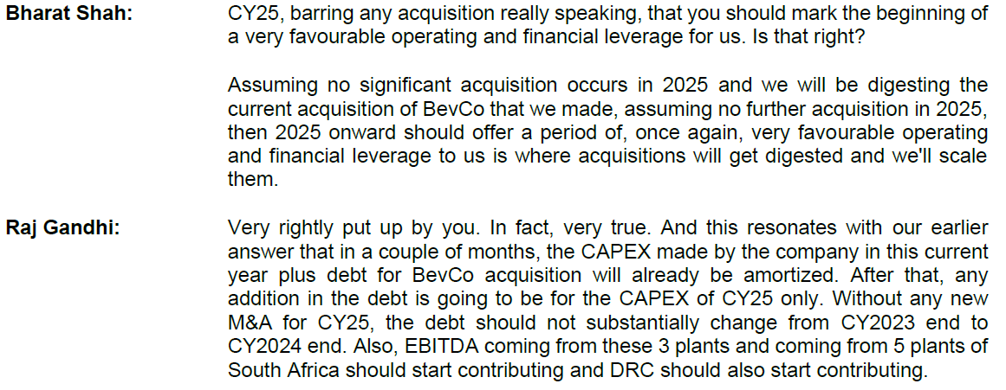

Summary
In the recent years, the company has substantially reduced the long terms debt from *83% of the total debt in 2017 to 61% in 2023 with Debt to Equity ratio is consistent at 0.8x, Debt to Capital ratio at 0.4x, Debt to Asset Ratio at 0.3x. But, Debt to EBITDA ratio has reduced to 1.4x.
The Management has provided the guidance to maintain Debt to EBITDA at 1-1.25x and Debt to Equity to 0.5-0.7x.
The management is committed to reduce the debt levels further in future. Also, the company has increased the usage of short term borrowings to fund its cyclical operations. Due to which debt levels are usually high pre season (December) and at the lowest level post season (June). The company has guided for debt levels at constant in short term.
We assume, the LT and ST debt to grow initially due to higher capex and then reduce for the successive years.

# | Interest Cost

 | Particulars | 2016 | 2017 | 2018 | 2019 | 2020 | 2021 | 2022 | 2023
 | Total Borrowings | 1,629 | 2,045 | 2,358 | 2,823 | 2,693 | 3,342 | 3,695 | 5,194
 | Interest Cost | 433 | 212 | 213 | 310 | 281 | 185 | 186 | 268
 | Interest Cost % TB | 26.5% | 10.4% | 9.0% | 11.0% | 10.4% | 5.5% | 5.0% | 5.2%

 |  | Interest rate | Amount (in INR millions)
 |  | 7.45% | 7,082
 |  | 7.70% | 2,450
 |  | 3.86% | 500
 |  | 8.01% | 37,351
 |  | 7.40% | 800
 |  | 7.95% | 916
 |  | 4.00% | 96
 |  | 5.00% | 429
 |  | 5.75% | 799
 |  | 7.25% | 492
 | Average Interest rate | 7.79%

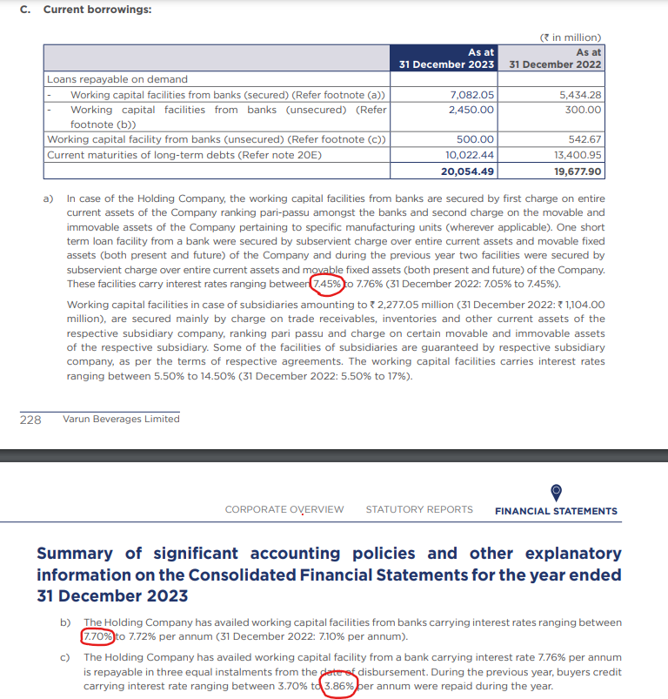
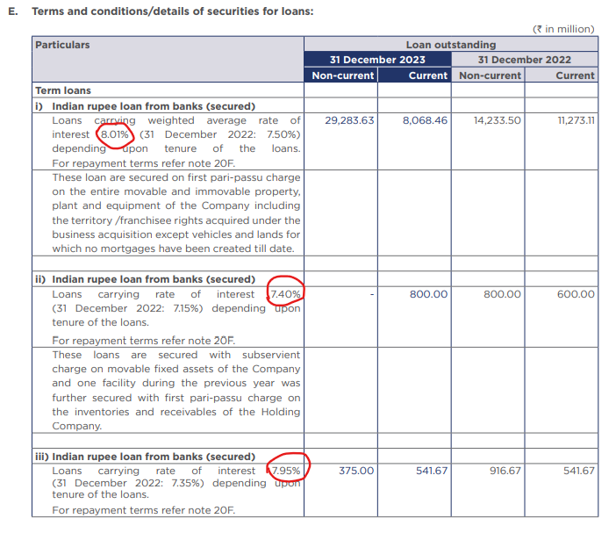
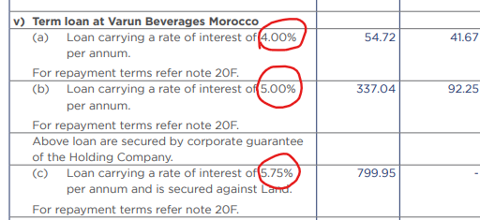

# | Other Income

 | Particulars | 2016 | 2017 | 2018 | 2019 | 2020 | 2021 | 2022 | 2023
 | Revenue | 3,861 | 4,004 | 5,105 | 7,130 | 6,450 | 8,823 | 13,173 | 16,043
 | Other Income | 38 | 13 | 22 | 43 | 37 | 68 | 39 | 79

 | Other Income % Revenue | 1.0% | 0.3% | 0.4% | 0.6% | 0.6% | 0.8% | 0.3% | 0.5%

 | We assume Other income to remain flat at 0.5% of Revenue

# | Dividend

 | Particulars | 2016 | 2017 | 2018 | 2019 | 2020 | 2021 | 2022 | 2023
 | Dividend | 0 | 46 | 46 | 69 | 72 | 108 | 227 | 325
 | Net Profit | 46 | 214 | 300 | 472 | 357 | 746 | 1,550 | 2,102

 | Dividend Payout Ratio | 0% | 21% | 15% | 15% | 20% | 15% | 15% | 15%

 | We assume Dividend Payout Ratio to remain flat at 15% initially and then increase at regular intervals reaching a ratio of 70% in the terminal year, being reflective of a mature company.

# | Cash Analysis

 | Particulars | 2019 | 2020 | 2021 | 2022 | 2023 | 2024 | 2025 | 2026 | 2027 | 2028 | 2029 | 2030 | 2031 | 2032 | 2033
 | Cash | 138 | 104 | 150 | 154 | 242 | 197 | 284 | 402 | 452 | 516 | 454 | 775 | 920 | 1,292 | 1,425
 | Revenue | 7,130 | 6,450 | 8,823 | 13,173 | 16,043 | 20,053 | 24,415 | 28,932 | 33,344 | 37,345 | 41,826 | 46,845 | 52,467 | 58,763 | 65,814

 | Cash % Revenue | 2% | 2% | 2% | 1% | 2% | 1% | 1% | 1% | 1% | 1% | 1% | 2% | 2% | 2% | 2%

 | Total Asset | 8,388 | 8,458 | 9,582 | 11,618 | 15,187 | 18,600 | 20,038 | 21,919 | 23,755 | 25,076 | 26,409 | 28,278 | 30,141 | 32,426 | 34,685

 | Cash % Total Asset | 2% | 1% | 2% | 1% | 2% | 1% | 1% | 2% | 2% | 2% | 2% | 3% | 3% | 4% | 4%

 | Assumed Operating Cash % Revenue | 2% | 2% | 2% | 1% | 2% | 2% | 2% | 2% | 2% | 2% | 2% | 2% | 2% | 2% | 2%

 | Operating Cash | 138 | 104 | 150 | 154 | 242 | 401 | 488 | 579 | 667 | 747 | 837 | 937 | 1,049 | 1,175 | 1,316

 | Excess Cash | 0 | 0 | 0 | 0 | 0 | -205 | -205 | -177 | -214 | -231 | -382 | -162 | -130 | 117 | 108

Report
 |  | Seven-Up | 10%
 |  | Mirinda | 17%
Juice Based Drink | 5% | Pepsi | 22% |  |  |  |  | Global GDP Predictions |  |  |  |  | India GDP growth |  |  |  |  |  |  |  | Quarterly
Packaged Drinking Water | 27% | Mountain Dew | 47% |  |  |  |  |  | 2023A | 2024P | 2025P |  |  | India | Global |  |  |  |  |  |  | Actual | Projected |  |  |  |  | actual | Forecast
Carbonated Soft Drink | 68% | Others | 4% |  |  |  |  | World | 3.2% | 3.2% | 3.2% |  | 2019 | 3.9% | 2.80% |  |  |  |  |  | Q1FY23 | 13.5% | 15.2% |  |  |  | May 31, 2024 (Q4) | 7.80% | 6.70% | 8.40%
 |  |  |  |  |  |  |  | Advanced Economies | 1.6% | 1.7% | 1.8% |  | 2020 | -5.8% | -2.70% |  |  |  |  |  | Q2FY23 | 6.3% | 6.2% |  |  |  | Feb 29, 2024 (Q3) | 8.40% | 6.60% | 7.60%
Product Wise Breakup
Brand Wise Revenue Breakup
 |  |  |  |  |  |  |  | Emerging Economies | 4.3% | 4.2% | 4.2% |  | 2021 | 9.7% | 6.50% |  |  |  |  |  | Q3FY23 | 4.4% | 4.6% |  |  |  | Nov 30, 2023 (Q2) | 7.60% | 6.80% | 7.80%
 |  |  |  |  |  |  |  | Euro Area | 0.4% | 0.8% | 1.5% |  | 2022 | 7.0% | 3.50% |  |  |  |  |  | Q4FY23 | 6.1% | 4.6% |  |  |  | Aug 31, 2023 (Q1) | 7.80% | 7.70% | 6.10%
 |  |  |  |  |  |  |  | US | 2.5% | 2.7% | 1.9% |  | 2023 | 7.8% | 3.20% |  |  |  |  |  | Q1FY24 | 7.8% | 7.7% |  |  |  | May 31, 2023 (Q4) | 6.10% | 4.60% | 4.40%
 |  |  |  |  |  |  |  | Japan | 1.9% | 0.9% | 1.0% |  | 2024P | 6.8% | 3.20% |  |  |  |  |  | Q2FY24 | 7.6% | 6.8% |  |  |  | Feb 28, 2023 (Q3) | 4.40% | 4.60% | 6.30%
 |  |  |  |  |  |  |  | UK | 0.1% | 0.5% | 1.5% |  | 2025P | 6.5% | 3.20% |  |  |  |  |  | Q3FY24 | 8.4% | 6.6% |  |  |  | Nov 30, 2022 (Q2) | 6.30% | 6.20% | 13.50%
India vs Global GDP Growth(%)
 |  |  |  |  |  |  |  | China | 5.2% | 4.6% | 4.1% |  |  |  |  |  |  |  |  |  | Q4FY24 | 7.8% | 6.7% |  |  |  | Aug 31, 2022 (Q1) | 13.50% | 15.20%
 |  |  |  |  |  |  |  | India | 7.8% | 6.8% | 6.1%
India GDP Growth- Actual vs Projected
Global GDP Projections (%)

Date | Adj Close
2023-05-31 | 845.261658
2023-06-01 | 842.54303
2023-06-02 | 845.610901
2023-06-05 | 850.574341
2023-06-06 | 841.520386
2023-06-07 | 821.915894
2023-06-08 | 789.092163
2023-06-09 | 793.85614
2023-06-12 | 796.175781
2023-06-13 | 805.628784
2023-06-14 | 805.628784
2023-06-15 | 825.283142
2023-06-16 | 819.346924
2023-06-19 | 799.492981
2023-06-20 | 811.46521
2023-06-21 | 817.800537
2023-06-22 | 801.687866
2023-06-23 | 764.324646
2023-06-26 | 797.348022
2023-06-27 | 797.547546
2023-06-28 | 791.71106
2023-06-30 | 800.690186 |  |  |  |  |  |  |  |  |  |  |  |  |  |  |  |  |  | In Billion Litres
Volume Growth
2023-07-03 | 816.453552 |  |  |  |  |  |  |  |  |  |  |  |  |  |  |  |  | 2018A | 3.6
2023-07-04 | 802.186707 |  |  |  |  |  |  |  |  |  |  |  |  |  |  |  |  | 2019A | 3.7
2023-07-05 | 823.736694 |  |  |  |  |  |  |  |  |  |  |  |  |  |  |  |  | 2020A | 3.5
2023-07-06 | 811.96405 |  |  |  |  |  |  |  |  |  |  |  |  |  |  |  |  | 2021A | 3.8
2023-07-07 | 819.247192 |  |  |  |  |  |  |  |  |  |  |  |  |  |  |  |  | 2022A | 3.9
2023-07-10 | 810.367798 |  |  |  |  |  |  |  |  |  |  |  |  |  |  |  |  | 2023A | 4
2023-07-11 | 823.337646 |  |  |  |  |  |  |  |  |  |  |  |  |  |  |  |  | 2024F | 4.1
2023-07-12 | 839.799377 |  |  |  |  |  |  |  |  |  |  |  |  |  |  |  |  | 2025F | 4.2
2023-07-13 | 830.919983 |  |  |  |  |  |  |  |  |  |  |  |  |  |  |  |  | 2026F | 4.4
2023-07-14 | 830.919983 |  |  |  |  |  |  |  |  |  |  |  |  |  |  |  |  | 2027F | 4.5
2023-07-17 | 826.979187 |  |  |  |  |  |  |  |  |  |  |  |  |  |  |  |  | 2028F | 4.6
2023-07-18 | 822.190308
2023-07-19 | 817.950134
2023-07-20 | 810.716919
2023-07-21 | 798.345703
2023-07-24 | 815.805115
2023-07-25 | 802.735474
2023-07-26 | 805.030212
2023-07-27 | 798.694885
2023-07-28 | 802.386292
2023-07-31 | 802.536011
2023-08-01 | 798.844543
2023-08-02 | 806.227356
Price per unit
2023-08-03 | 820.693726 |  |  |  |  |  |  |  |  |  |  |  |  |  |  |  |  |  | CSD (at home) | CSD (out of home)
2023-08-04 | 823.387512 |  |  |  |  |  |  |  |  |  |  |  |  |  |  |  |  | 2018A | 0.46 | 1.34
2023-08-07 | 822.190308 |  |  |  |  |  |  |  |  |  |  |  |  |  |  |  |  | 2019A | 0.47 | 1.36
2023-08-08 | 818.349243 |  |  |  |  |  |  |  |  |  |  |  |  |  |  |  |  | 2020A | 0.49 | 1.43
2023-08-09 | 821.292419 |  |  |  |  |  |  |  |  |  |  |  |  |  |  |  |  | 2021A | 0.49 | 1.45
2023-08-10 | 816.603271 |  |  |  |  |  |  |  |  |  |  |  |  |  |  |  |  | 2022A | 0.50 | 1.47
2023-08-11 | 847.431702 |  |  |  |  |  |  |  |  |  |  |  |  |  |  |  |  | 2023A | 0.53 | 1.55
2023-08-14 | 867.414795 |  |  |  |  |  |  |  |  |  |  |  |  |  |  |  |  | 2024F | 0.55 | 1.62
2023-08-16 | 889.595947 |  |  |  |  |  |  |  |  |  |  |  |  |  |  |  |  | 2025F | 0.57 | 1.69
2023-08-17 | 892.893188 |  |  |  |  |  |  |  |  |  |  |  |  |  |  |  |  | 2026F | 0.59 | 1.76
2023-08-18 | 898.488403 |  |  |  |  |  |  |  |  |  |  |  |  |  |  |  |  | 2027F | 0.62 | 1.83
2023-08-21 | 898.53833 |  |  |  |  |  |  |  |  |  |  |  |  |  |  |  |  | 2028F | 0.64 | 1.90
2023-08-22 | 905.232666
2023-08-23 | 886.498596
2023-08-24 | 884.050659
2023-08-25 | 873.109863
2023-08-28 | 873.759338
2023-08-29 | 888.197144
2023-08-30 | 899.787292
2023-08-31 | 898.73822
2023-09-01 | 909.678955
2023-09-04 | 922.26825
2023-09-05 | 935.007446
2023-09-06 | 924.716187
2023-09-07 | 919.720398
2023-09-08 | 909.129395
2023-09-11 | 918.821167
2023-09-12 | 919.170898
2023-09-13 | 912.526489
2023-09-14 | 913.62561 |  |  | CAPEX Chart |  |  |  |  |  |  |  |  |  |  | Revnue chart
2023-09-15 | 914.874512 |  |  |  | 2019A | 2020A | 2021A | 2022A | 2023A | 2024F | 2025F |  |  |  | 2019A | 2020A | 2021A | 2022A | 2023A | 2024F | 2025F | 2026F | 2027F | 2028F
2023-09-18 | 911.327515 |  |  | Capex | 733 | 536 | 815 | 1750 | 3194 | 3600 | 1500 |  |  | Revenue | 7,130 | 6,450 | 8,823 | 13,173 | 16,043 | 20,053 | 24,415 | 28,932 | 33,344 | 37,345
Capex
2023-09-20 | 903.88385 |  |  |  |  |  |  |  |  |  |  |  |  | Growth |  | -10% | 37% | 49% | 22% | 25% | 22% | 19% | 15% | 12%
2023-09-21 | 913.725464
Revenue Growth
 | Revenue | Growth %
2019A | 7,130
2020A | 6,450 | -10%
2021A | 8,823 | 37%
2022A | 13,173 | 49%
2023A | 16,043 | 22%
2024A | 20,053 | 25%
2025A | 24,415 | 22%
2026A | 28,932 | 19%
2027A | 33,344 | 15%
2028A | 37,345 | 12%
2023-09-22 | 917.47229
2023-09-25 | 925.215759
2023-09-26 | 966.73053
2023-09-27 | 966.280945
2023-09-28 | 945.098938
2023-09-29 | 944.899048
2023-10-03 | 927.513794
2023-10-04 | 919.670471
2023-10-05 | 920.319885
2023-10-06 | 926.264832
2023-10-09 | 928.163269
2023-10-10 | 927.164124
2023-10-11 | 916.872864
2023-10-12 | 923.91687
2023-10-13 | 928.712769
2023-10-16 | 921.868591
2023-10-17 | 929.312256
2023-10-18 | 924.566284
2023-10-19 | 933.808472
2023-10-20 | 925.415588
2023-10-23 | 921.968506
2023-10-25 | 883.451172
2023-10-26 | 871.711121 |  | 2019A | 2020A | 2021A | 2022A | 2023A | 2024F | 2025F | 2026F | 2027F | 2028F |  |  |  | 2013A | 2014A | 2015A | 2016A | 2017A | 2018A | 2019A | 2020A | 2021A | 2022A | 2023A |  |  |  | 2013A | 2014A | 2015A | 2016A | 2017A | 2018A | 2019A | 2020A | 2021A | 2022A | 2023A
2023-10-27 | 920.669617 | Gross margin | 54.8% | 57.1% | 54.3% | 52.5% | 53.8% | 54.8% | 53.5% | 52.2% | 50.8% | 49.5% |  |  | SG&A Expenses | 624 | 740 | 1039 | 1324 | 1241 | 1845 | 2463 | 2485 | 3134 | 4124 | 5029 |  |  | Inventory | 246 | 289 | 425 | 490 | 439 | 578 | 882 | 929 | 1448 | 1994 | 2151
2023-10-30 | 915.673828 |  |  |  |  |  |  |  |  |  |  |  |  |  | SG&A % Revenue | 30% | 30% | 31% | 34% | 31% | 36% | 35% | 39% | 36% | 31% | 31% |  |  | Inventory Days | 41 | 39 | 38 | 43 | 42 | 36 | 37 | 51 | 49 | 48 | 47
Gross Margins
2023-10-31 | 908.030334
2023-11-01 | 917.47229
SG&A % Revenue
Inventory Days
2023-11-02 | 925.365662
2023-11-03 | 951.043823
2023-11-06 | 944.849121
2023-11-07 | 990.360535
2023-11-08 | 1007.995544
2023-11-09 | 1001.700928
2023-11-10 | 1008.195374
2023-11-13 | 1007.895691
2023-11-15 | 1013.341064
2023-11-16 | 1043.665405
2023-11-17 | 1042.566284
2023-11-20 | 1046.462891
2023-11-21 | 1036.921143
2023-11-22 | 1030.476563
2023-11-23 | 1053.706787
2023-11-24 | 1067.245361
2023-11-28 | 1059.052246
2023-11-29 | 1059.951538
2023-11-30 | 1104.064209
2023-12-01 | 1088.127686
2023-12-04 | 1069.543335
2023-12-05 | 1060.950684 |  | 2013A | 2014A | 2015A | 2016A | 2017A | 2018A | 2019A | 2020A | 2021A | 2022A | 2023A |  |  | 2013A | 2014A | 2015A | 2016A | 2017A | 2018A | 2019A | 2020A | 2021A | 2022A | 2023A |  |  |  | 2016 | 2017 | 2018 | 2019 | 2020 | 2021 | 2022 | 2023
2023-12-06 | 1072.640869 | Trade Receivable | 65 | 97 | 98 | 131 | 150 | 128 | 173 | 242 | 221 | 299 | 359 |  | Trade Payable | 139 | 181 | 185 | 275 | 191 | 317 | 478 | 511 | 712 | 824 | 758 |  |  | LTB % TB | 75% | 83% | 84% | 83% | 73% | 54% | 47% | 61%
2023-12-07 | 1076.087891 | Trade Receivable Days | 13 | 12 | 10 | 11 | 13 | 10 | 8 | 12 | 10 | 7 | 7 |  | Trade Payable Days | 42 | 48 | 39 | 58 | 39 | 52 | 54 | 67 | 64 | 48 | 37 |  |  | STB % TB | 25% | 17% | 16% | 17% | 27% | 46% | 53% | 39%
Trade Receivable Days
2023-12-08 | 1066.046387
Trade Payable Days
Long Term and Short Term Borrowings
2023-12-11 | 1103.314819
2023-12-12 | 1079.185181
2023-12-13 | 1091.824585
2023-12-14 | 1103.264771
2023-12-15 | 1098.069214
2023-12-18 | 1131.04126
2023-12-19 | 1170.657715
2023-12-20 | 1252.338501
2023-12-21 | 1290.206421
2023-12-22 | 1237.551025
2023-12-26 | 1248.991333
2023-12-27 | 1236.002319
2023-12-28 | 1236.751709
2023-12-29 | 1235.852417
2024-01-01 | 1241.447754
2024-01-02 | 1235.103149
2024-01-03 | 1224.761841
2024-01-04 | 1258.932861
2024-01-05 | 1278.06665
2024-01-08 | 1268.424805
2024-01-09 | 1296.451172
2024-01-10 | 1267.625488
2024-01-11 | 1277.017578
2024-01-12 | 1263.978638
2024-01-15 | 1270.622925
2024-01-16 | 1265.02771
2024-01-17 | 1247.442627
2024-01-18 | 1229.108154
2024-01-19 | 1266.276611
2024-01-23 | 1270.672974
2024-01-24 | 1265.277466
2024-01-25 | 1256.335083
2024-01-29 | 1268.474854
2024-01-30 | 1250.140259
2024-01-31 | 1279.315674
2024-02-01 | 1283.412109
2024-02-02 | 1284.661011
2024-02-05 | 1301.396851
2024-02-06 | 1346.009033
2024-02-07 | 1344.060669
2024-02-08 | 1374.185181
2024-02-09 | 1368.839722
2024-02-12 | 1388.17334
2024-02-13 | 1393.31897
2024-02-14 | 1429.488281
2024-02-15 | 1424.092896
2024-02-16 | 1421.844849
2024-02-19 | 1437.081909
2024-02-20 | 1436.282593
2024-02-21 | 1462.959839
2024-02-22 | 1495.931885
2024-02-23 | 1513.217285
2024-02-26 | 1534.948975
2024-02-27 | 1465.757568
2024-02-28 | 1396.666138
2024-02-29 | 1407.307129
2024-03-01 | 1416.64917
2024-03-04 | 1432.935425
2024-03-05 | 1378.381714
2024-03-06 | 1432.63562
2024-03-07 | 1422.144531
2024-03-11 | 1413.052246
2024-03-12 | 1421.345215
2024-03-13 | 1392.719482
2024-03-14 | 1416.499268
2024-03-15 | 1432.985352
2024-03-18 | 1435.233398
2024-03-19 | 1397.565308
2024-03-20 | 1398.964233
2024-03-21 | 1399.064087
2024-03-22 | 1401.21228
2024-03-26 | 1400.512817
2024-03-27 | 1382.827881
2024-03-28 | 1397.415527
2024-04-01 | 1396.016602
2024-04-02 | 1408.256226
2024-04-03 | 1474.650024
2024-04-04 | 1514.550049
2024-04-05 | 1493.75
2024-04-08 | 1450.099976
2024-04-09 | 1434.800049
2024-04-10 | 1423.550049
2024-04-12 | 1385.849976
2024-04-15 | 1381.099976
2024-04-16 | 1403.949951
2024-04-18 | 1397.949951
2024-04-19 | 1396.099976
2024-04-22 | 1430.300049
2024-04-23 | 1430.949951
2024-04-24 | 1445.099976
2024-04-25 | 1441.949951
2024-04-26 | 1459.699951
2024-04-29 | 1486.150024
2024-04-30 | 1479.449951
2024-05-02 | 1516.800049
2024-05-03 | 1506.699951
2024-05-06 | 1507.150024
2024-05-07 | 1442.800049
2024-05-08 | 1503.300049
2024-05-09 | 1445.050049
2024-05-10 | 1463.300049
2024-05-13 | 1477.300049
2024-05-14 | 1489.050049
2024-05-15 | 1499.400024
2024-05-16 | 1493.25
2024-05-17 | 1515.5
2024-05-21 | 1511.5
2024-05-22 | 1514.099976
2024-05-23 | 1502.349976
2024-05-24 | 1498.300049
2024-05-27 | 1496.550049
2024-05-28 | 1470.050049
2024-05-29 | 1430.300049
2024-05-30 | 1430.300049
2024-05-31 | 1426.800049

